APTINSMOBC
SATPINMOBC Reading words
Set 1 |  |  | Set 2 |  | Set 2 |  |  | Set 3
dan | man |  | pot | gap | kin | pop |  | top | kin
dim | map |  | tim | gas | gin | pip |  | ton | gin
din | mat |  | ton | gin | gas | mop |  | tim | gas
dip | min |  | top | kin | gap | mom |  | pot | gap
gap | mom |  | dan | man | dip | min |  | dip | min
gas | mop |  | dim | map | din | mat |  | din | mat
gin | pip |  | din | mat | dim | map |  | dim | map
kin | pop |  | dip | min | dan | man |  | dan | man

 | SATPINMOBC initial sounds look and write
 | Answers |  | Write the missing letter |  | Answers |  | Write the missing letter
 | 1 | dim |  | ___im | 1 | min |  | ___in
 | 2 | pop |  | ___op | 2 | ton |  | ___in
 | 3 | mom |  | ___om | 3 | gap |  | ___on
 | 4 | gas |  | ___as | 4 | map |  | ___ap
 | 5 | man |  | ___an | 5 | dip |  | ___ap
 | 6 | din |  | ___in | 6 | mat |  | ___at
 | 7 | gin |  | ___in | 7 | mop |  | ___ip
 | 8 | kin |  | ___in | 8 | top |  | ___op

 | SATPINMOBC end sounds look and write
 | Answers |  | Write the missing letter |  | Answers |  | Write the missing letter
 | 1 | map |  | ma___ | 1 | dim |  | di___
 | 2 | mat |  | ma___ | 2 | din |  | di___
 | 3 | min |  | mi___ | 3 | dip |  | di___
 | 4 | mom |  | mo___ | 4 | gap |  | ga___
 | 5 | mop |  | mo___ | 5 | gas |  | ga___
 | 6 | pop |  | po___ | 6 | gin |  | gi___
 | 7 | ton |  | to___ | 7 | kin |  | ki___
 | 8 | top |  | to___ | 8 | man |  | ma___

 | SATPINMOBC initial sounds listen and write
 | Answers |  | 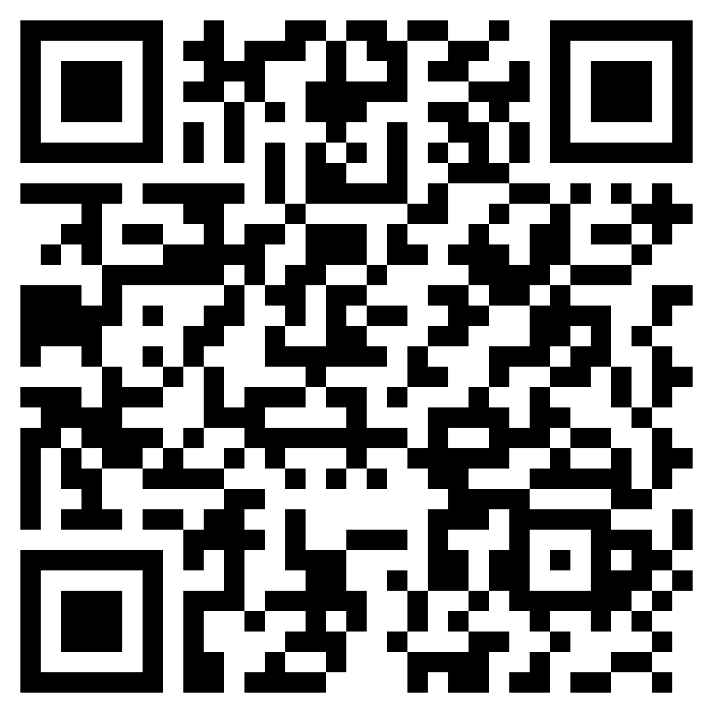 |  | Answers |  | 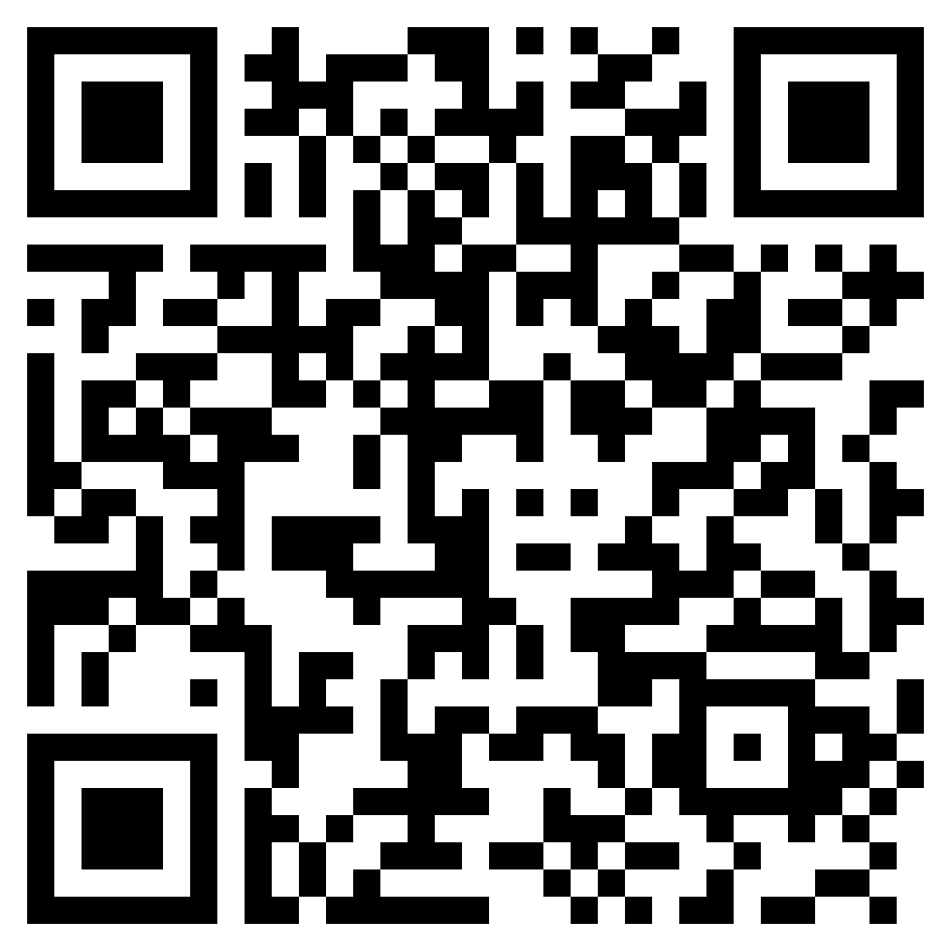
 | 1 | dim | 1 | ___im | 1 | min | 1 | ___in
 | 2 | pop | 2 | ___op | 2 | ton | 2 | ___in
 | 3 | mom | 3 | ___om | 3 | gap | 3 | ___on
 | 4 | gas | 4 | ___as | 4 | map | 4 | ___ap
 | 5 | man | 5 | ___an | 5 | dip | 5 | ___ap
 | 6 | din | 6 | ___in | 6 | mat | 6 | ___at
 | 7 | gin | 7 | ___in | 7 | mop | 7 | ___ip
 | 8 | kin | 8 | ___in | 8 | top | 8 | ___op

 | SATPINMOBC end sounds listen and write
 | Answers |  | 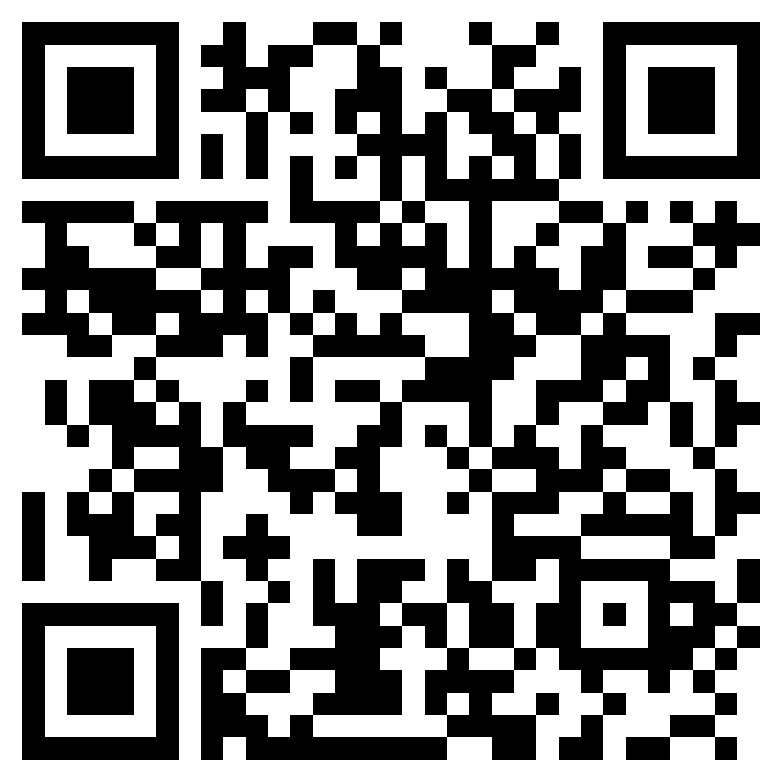 |  | Answers |  | 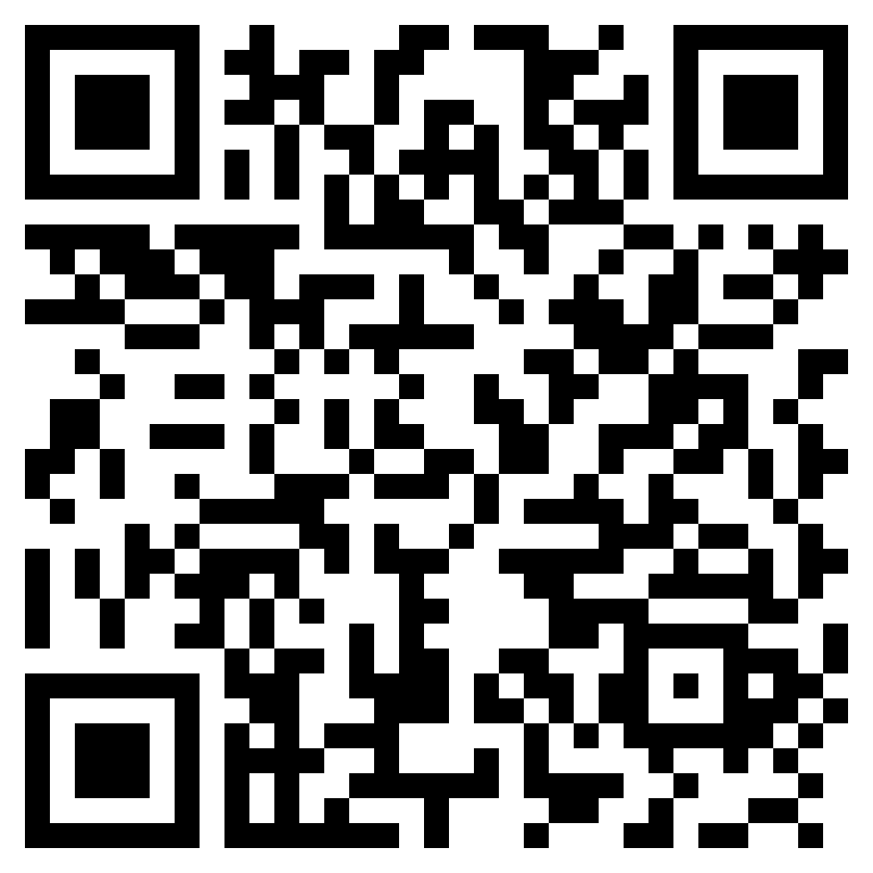
 | 1 | dim | 1 | ___im | 1 | dip | 5 | ___ip
 | 2 | din | 6 | ___in | 2 | gap | 3 | ___ap
 | 3 | gas | 4 | ___as | 3 | map | 4 | ___ap
 | 4 | gin | 7 | ___in | 4 | mat | 6 | ___at
 | 5 | kin | 8 | ___in | 5 | min | 1 | ___in
 | 6 | man | 5 | ___an | 6 | mop | 7 | ___op
 | 7 | mom | 3 | ___om | 7 | ton | 2 | ___on
 | 8 | pop | 2 | ___op | 8 | top | 8 | ___op

